Schipper_1991
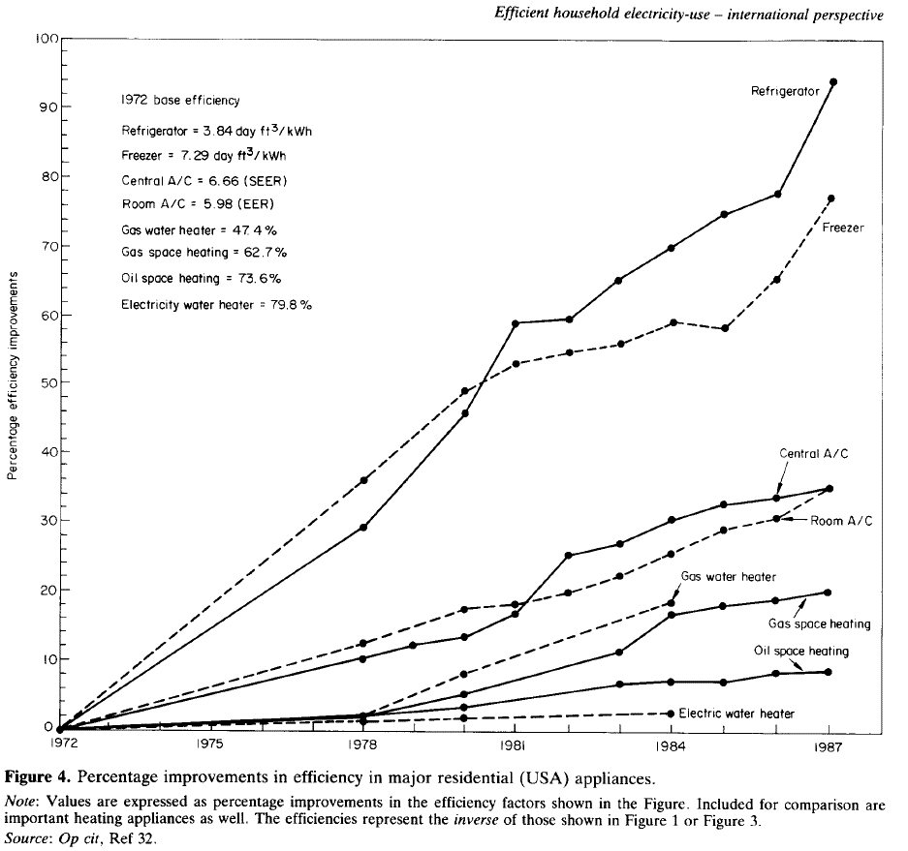
Schipper & Hawk (1991) - More efficient household electricity an international perspective
https://www.sciencedirect.com/science/article/pii/030142159190150M

Base Values |  |  |  | Refrigerator |  |  | Freezer
Year | Machine | Metric | Value | Year | % Improvement | Efficiency [day ft3/kWh] | Year | % Improvement | Efficiency [day ft3/kWh]
1972 | Refrigerator | day ft3/kWh | 3.84 | 1972 | 0.00 | 3.84 | 1972 | 0.00 | 7.29
1972 | Freezer | day ft3/kWh | 7.29 | 1973 | 5.57 | 4.05 | 1973 | 6.69 | 7.78
1972 | Central A/C | SEER | 6.66 | 1974 | 10.03 | 4.23 | 1974 | 12.92 | 8.23
1972 | Room A/C | EER | 5.98 | 1975 | 14.90 | 4.41 | 1975 | 17.97 | 8.60
1972 | Gas water heater | % | 47.40% | 1976 | 19.36 | 4.58 | 1976 | 24.37 | 9.07
1972 | Gas space heater | % | 62.70% | 1977 | 24.10 | 4.77 | 1977 | 30.08 | 9.48
1972 | Oil space heater | % | 73.60% | 1978 | 29.94 | 4.99 | 1978 | 35.93 | 9.91
1972 | Electric water heater | % | 79.80% | 1979 | 36.21 | 5.23 | 1979 | 41.92 | 10.35
 |  |  |  | 1980 | 46.38 | 5.62 | 1980 | 48.89 | 10.85
 |  |  |  | 1981 | 59.05 | 6.11 | 1981 | 52.79 | 11.14
 |  |  |  | 1982 | 59.47 | 6.12 | 1982 | 54.88 | 11.29
 |  |  |  | 1983 | 65.32 | 6.35 | 1983 | 55.71 | 11.35
 |  |  |  | 1984 | 70.20 | 6.54 | 1984 | 59.33 | 11.62
 |  |  |  | 1985 | 74.65 | 6.71 | 1985 | 57.80 | 11.50
 |  |  |  | 1986 | 77.86 | 6.83 | 1986 | 65.46 | 12.06
 |  |  |  | 1987 | 93.73 | 7.44 | 1987 | 76.60 | 12.87

 |  |  |  | Central A/C |  |  | Room A/C
 |  |  |  | Year | % Improvement | Efficiency [SEER] | Year | % Improvement | Efficiency [EER]
 |  |  |  | 1972 | 0.00 | 6.66 | 1972 | 0.00 | 5.98
 |  |  |  | 1973 | 2.23 | 6.81 | 1973 | 2.79 | 6.15
 |  |  |  | 1974 | 3.62 | 6.90 | 1974 | 4.74 | 6.26
 |  |  |  | 1975 | 5.71 | 7.04 | 1975 | 6.69 | 6.38
 |  |  |  | 1976 | 7.66 | 7.17 | 1976 | 8.64 | 6.50
 |  |  |  | 1977 | 9.19 | 7.27 | 1977 | 10.86 | 6.63
 |  |  |  | 1978 | 11.00 | 7.39 | 1978 | 13.09 | 6.76
 |  |  |  | 1979 | 12.67 | 7.50 | 1979 | 15.04 | 6.88
 |  |  |  | 1980 | 14.07 | 7.60 | 1980 | 17.97 | 7.05
 |  |  |  | 1981 | 17.27 | 7.81 | 1981 | 18.66 | 7.10
 |  |  |  | 1982 | 25.63 | 8.37 | 1982 | 20.33 | 7.20
 |  |  |  | 1983 | 27.16 | 8.47 | 1983 | 22.84 | 7.35
 |  |  |  | 1984 | 30.64 | 8.70 | 1984 | 25.77 | 7.52
 |  |  |  | 1985 | 32.87 | 8.85 | 1985 | 29.25 | 7.73
 |  |  |  | 1986 | 33.71 | 8.90 | 1986 | 30.92 | 7.83
 |  |  |  | 1987 | 35.38 | 9.02 | 1987 | 35.38 | 8.10

 |  |  |  | Gas water heater |  |  | Gas space heater
 |  |  |  | Year | % Improvement | Efficiency [%] | Year | % Improvement | Efficiency [%]
 |  |  |  | 1972 | 0.00 | 47.40% | 1972 | 0.00 | 62.70%
 |  |  |  | 1973 | 0.56 | 47.66% | 1973 | 0.70 | 63.14%
 |  |  |  | 1974 | 0.98 | 47.86% | 1974 | 0.84 | 63.22%
 |  |  |  | 1975 | 1.67 | 48.19% | 1975 | 1.39 | 63.57%
 |  |  |  | 1976 | 1.81 | 48.26% | 1976 | 1.67 | 63.75%
 |  |  |  | 1977 | 1.90 | 48.30% | 1977 | 2.23 | 64.10%
 |  |  |  | 1978 | 2.51 | 48.59% | 1978 | 2.65 | 64.36%
 |  |  |  | 1979 | 5.43 | 49.97% | 1979 | 3.62 | 64.97%
 |  |  |  | 1980 | 8.50 | 51.43% | 1980 | 5.29 | 66.02%
 |  |  |  | 1981 | 10.86 | 52.55% | 1981 | 7.10 | 67.15%
 |  |  |  | 1982 | 13.37 | 53.74% | 1982 | 9.05 | 68.38%
 |  |  |  | 1983 | 15.88 | 54.93% | 1983 | 11.70 | 70.04%
 |  |  |  | 1984 | 18.94 | 56.38% | 1984 | 17.41 | 73.62%
 |  |  |  | 1985 |  |  | 1985 | 18.38 | 74.23%
 |  |  |  | 1986 |  |  | 1986 | 19.22 | 74.75%
 |  |  |  | 1987 |  |  | 1987 | 20.33 | 75.45%

 |  |  |  | Oil space heater |  |  | Electric water heater
 |  |  |  | Year | % Improvement | Efficiency [%] | Year | % Improvement | Efficiency [%]
 |  |  |  | 1972 | 0.00 | 73.60% | 1972 | 0.00 | 79.80%
 |  |  |  | 1973 | 0.84 | 74.22% | 1973 | 0.42 | 80.13%
 |  |  |  | 1974 | 1.11 | 74.42% | 1974 | 0.84 | 80.47%
 |  |  |  | 1975 | 1.53 | 74.73% | 1975 | 0.98 | 80.58%
 |  |  |  | 1976 | 1.81 | 74.93% | 1976 | 1.11 | 80.69%
 |  |  |  | 1977 | 1.95 | 75.04% | 1977 | 1.11 | 80.69%
 |  |  |  | 1978 | 2.65 | 75.55% | 1978 | 1.81 | 81.25%
 |  |  |  | 1979 | 2.93 | 75.75% | 1979 | 1.81 | 81.25%
 |  |  |  | 1980 | 3.76 | 76.37% | 1980 | 1.95 | 81.36%
 |  |  |  | 1981 | 4.46 | 76.88% | 1981 | 2.37 | 81.69%
 |  |  |  | 1982 | 5.85 | 77.91% | 1982 | 2.44 | 81.75%
 |  |  |  | 1983 | 6.83 | 78.62% | 1983 | 2.51 | 81.80%
 |  |  |  | 1984 | 7.24 | 78.93% | 1984 | 2.61 | 81.88%
 |  |  |  | 1985 | 7.52 | 79.14% | 1985
 |  |  |  | 1986 | 8.36 | 79.75% | 1986
 |  |  |  | 1987 | 8.50 | 79.85% | 1987

CMHC_2008
Canada Mortgage and Housing Corporation, ed. (2008) [1993], A Guide to Residential Home Heating (PDF) (2008 ed.), ISBN 978-0-660-19848-4, archived from the original (PDF) on 2019-08-16, retrieved 2009-03-23
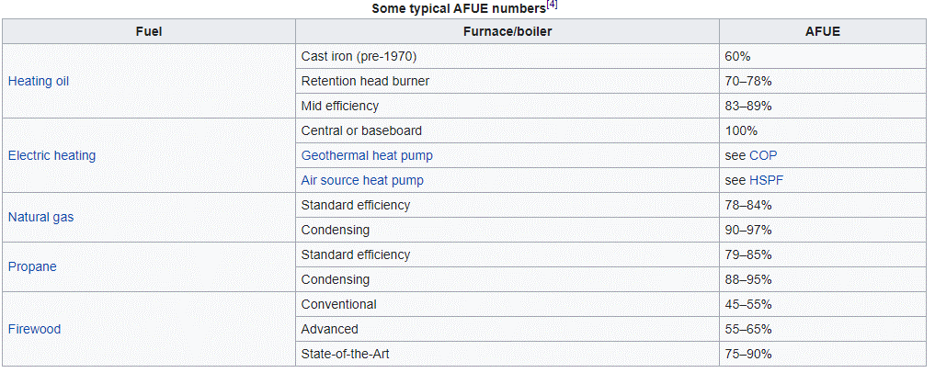
Country | Year | Fuel | Furnace/boiler | AFUE | AFUE Mid-Range [-]
CAN | <1970 | Heating oil | Cast iron (pre-1970) | 60% | 0.6
CAN | 2008 | Heating oil | Retention head burner | 70–78% | 0.74
CAN | 2008 | Heating oil | Mid efficiency | 83–89% | 0.86
CAN | 2008 | Electric heating | Central or baseboard | 100% | 1
CAN | 2008 | Natural gas | Standard efficiency | 78–84%
CAN | 2008 | Natural gas | Condensing | 90–97%
CAN | 2008 | Propane | Standard efficiency | 79–85%
CAN | 2008 | Propane | Condensing | 88–95%
CAN | 2008 | Firewood | Conventional | 45–55%
CAN | 2008 | Firewood | Advanced | 55–65%
CAN | 2008 | Firewood | State-of-the-Art | 75–90%

Aguilar_2005
Aguilar et al (2005) - Domestic Water Heating and Water Heater Energy Consumption in Canada
http://citeseerx.ist.psu.edu/viewdoc/download?doi=10.1.1.477.1453&rep=rep1&type=pdf

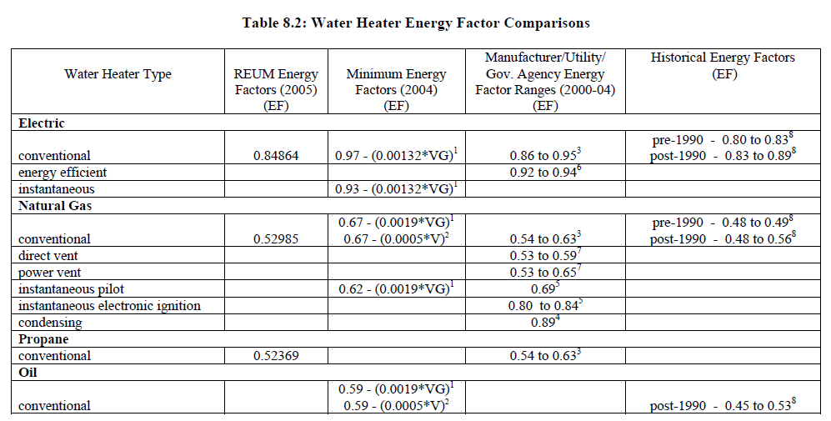
Country | Year | Machine | Data Type | Energy Factor
CAN | 2005 | Conventional electric water heater | MEPS | 97.00%
CAN | 2005 | Instantaneous electric water heater | MEPS | 93.00%

Kondo_2009
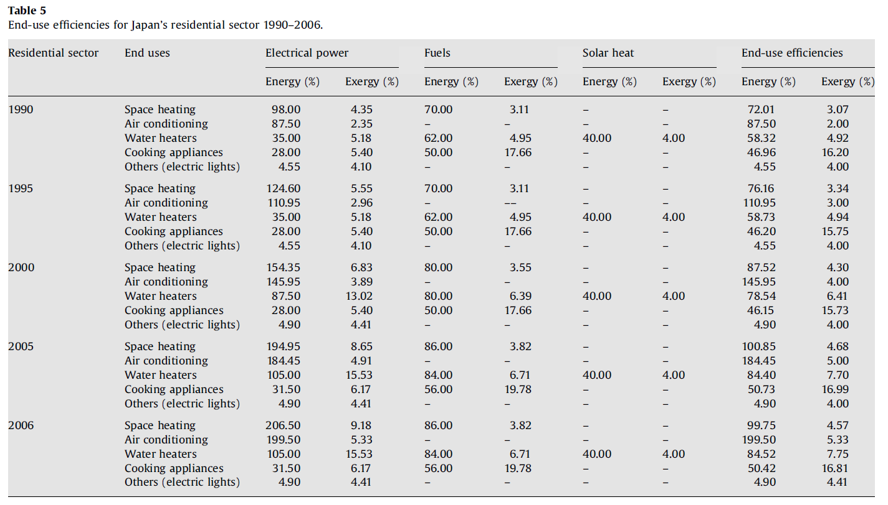
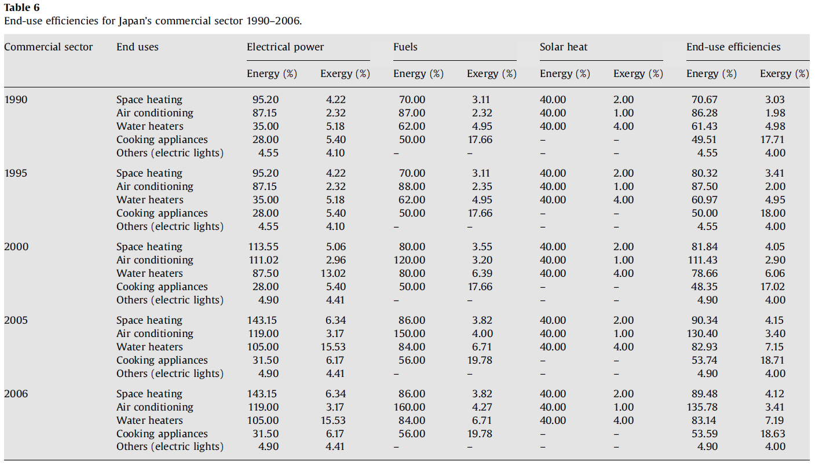
Kondo (2009) - Energy and exergy utilization efficiencies in the Japanese residential commercial sectors
https://doi.org/10.1016/j.enpol.2009.05.060

